DIMENSIONAL
How to Point Extracted Instance Data in Instance Data Warehouse Schema

1 | How data is shown in Web Form (Dimensional Data)

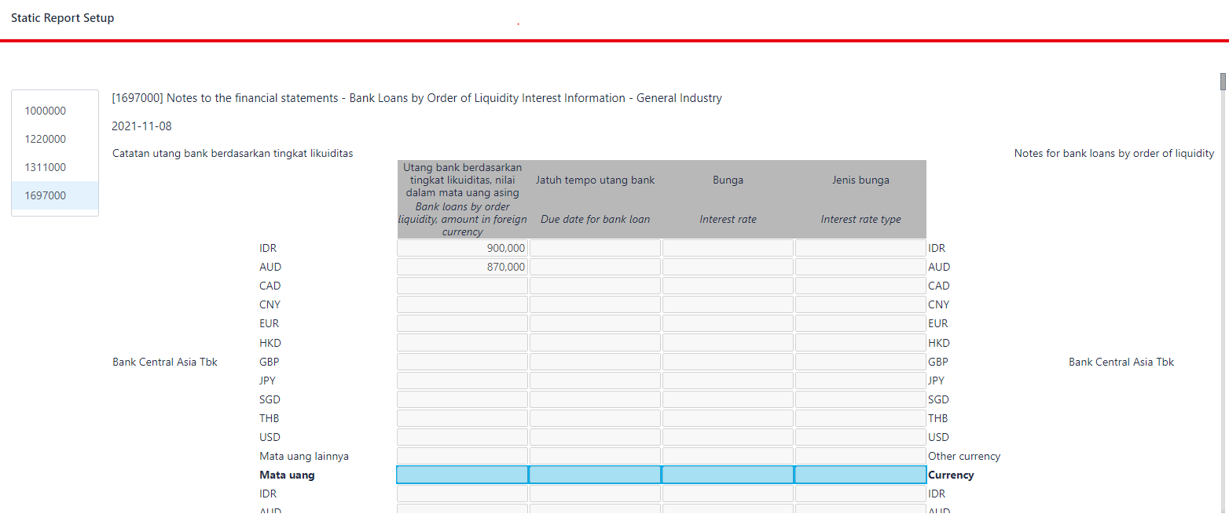

2 | How above data is presented in instance file
 | 2.1 | How Fact is presented in Instance File

 | 2.2 | How Context of Fact is presented in Instance File
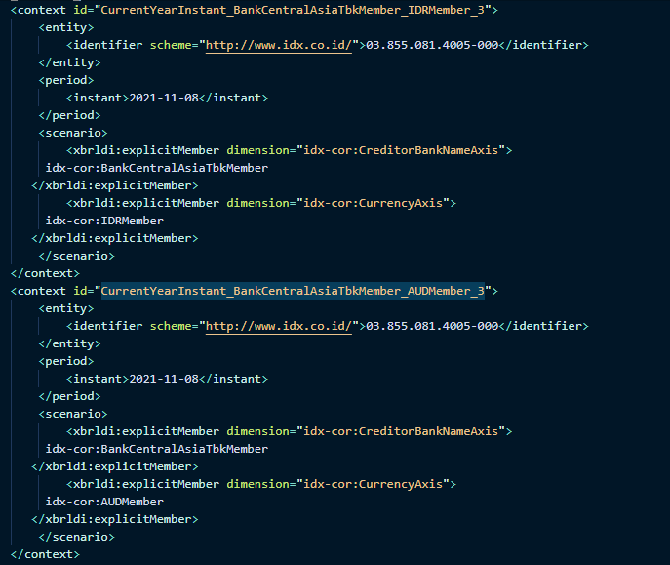

3 | Sample of SQL Query for getting above Data from Data Warehouse

 | select f.element_prefix, f.element_name, f.value_nonnumeric, f.value_numeric from dw_fact f inner join dw_context c on f.element_name = 'BankLoansByOrderLiquidityAmountInForeignCurrency' and f.context_id = c.id inner join dw_context_scenario cs on c.id = cs.context_id and cs.explicit_dimension = 'CurrencyAxis' and cs.explicit_dimension_value = 'AUDMember' inner join dw_context_scenario cs2 on c.id = cs2.context_id and cs2.explicit_dimension = 'CreditorBankNameAxis' and cs2.explicit_dimension_value = 'BankCentralAsiaTbkMember' where c.entity_identifier_value = '03.855.081.4005-000' and c.period_instant = '2020-12-27' select f.element_prefix, f.element_name, f.value_nonnumeric, f.value_numeric from dw_fact f inner join dw_context c on f.element_name = 'BankLoansByOrderLiquidityAmountInForeignCurrency' and f.context_id = c.id inner join dw_context_scenario cs on c.id = cs.context_id and cs.explicit_dimension = 'CurrencyAxis' and cs.explicit_dimension_value = 'IDRMember' inner join dw_context_scenario cs2 on c.id = cs2.context_id and cs2.explicit_dimension = 'CreditorBankNameAxis' and cs2.explicit_dimension_value = 'BankCentralAsiaTbkMember' where c.entity_identifier_value = '03.855.081.4005-000' and c.period_instant = '2020-12-27'

 | By combination of dimension type (Currency and Creditor) and it's value search for corresponding context id
 | By period date and entity identifier filter the corresponding context id
 | By combination of fact element name and filtered context id to find detail of expected fact

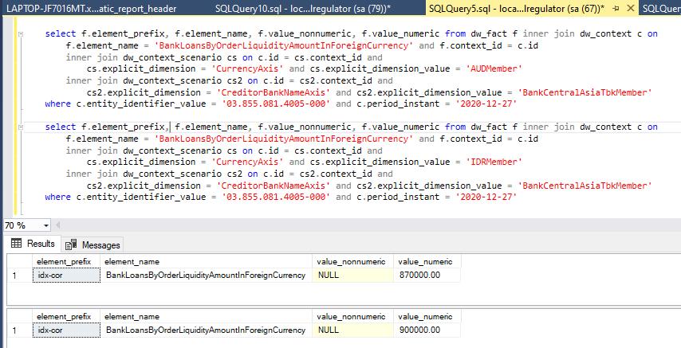

 | To fullfill different implementation/consumption requirement feel free to take different approach

